OR frt calcs
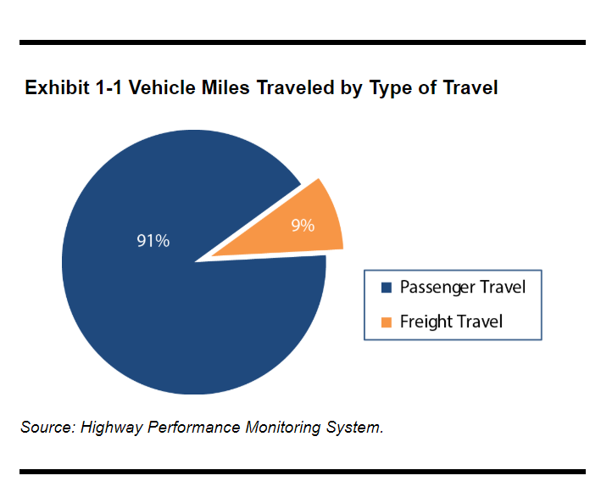
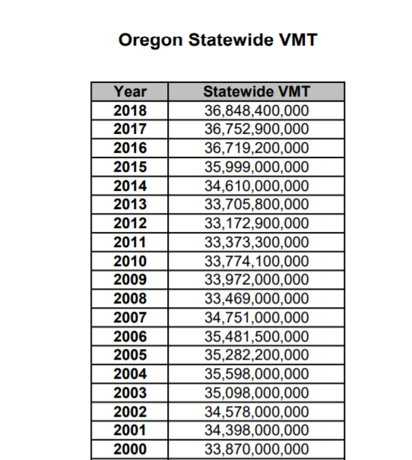
ratio are calculated from each category's VMT over total VMT in that year (2017 used bc time invariant)

2017 CA | Avg. Annual | SYVbt | total VMT | % VMT of total
LDVs | 10078 | 1286598 | 12966862333 | 0.63363341358
HDVs | 28010 | 265681.29098 | 7441681059.7 | 0.36364215581
aircraft | 130645 | 138.9737535 | 18156177.385 | 0.00088721236943
rail | 60882 | 581 | 35372713.548 | 0.0017285086136
ships | 3483 | 638.77275668 | 2224666.0549 | 0.00010870962538
motorbikes | 0 | 0 |  | 0
 |  |  | 20,464,296,949

Oregon est. | Avg. Annual | SYVbt | total VMT | % VMT of total | 2017 OR VMT | 36,752,900,000
LDVs | 15583.02201 | 134499.45026 | 2095907893.8 | 0.63363341358 | Freight % (See below) | 0.09
HDVs | 44498.501458 | 27031.052766 | 1202841340.9 | 0.36364215581 | OR freight VMT | 3,307,761,000
aircraft | 192064.80387 | 15.279668191 | 2934686.4743 | 0.00088721236943
rail | 94135.137708 | 60.737079898 | 5717493.3802 | 0.0017285086136
ships | 5384.903938 | 66.776578242 | 359585.45914 | 0.00010870962538
motorbikes | 0 | 0 | 0 | 0

2015 national passenger/freight share of VMT
source: https://www.fhwa.dot.gov/policy/2015cpr/chap1.cfm#_Toc463040715

